MATCH WIN BY TOSS
Count of toss_winner | Column Labels
Row Labels | bat | field | Grand Total
Mumbai Indians | 41 | 57 | 98
Chennai Super Kings | 50 | 40 | 90
Kolkata Knight Riders | 35 | 51 | 86
Royal Challengers Bangalore | 26 | 53 | 79
Kings XI Punjab | 21 | 55 | 76
Rajasthan Royals | 34 | 36 | 70
Delhi Daredevils | 29 | 38 | 67
Sunrisers Hyderabad | 19 | 33 | 52
Deccan Chargers | 14 | 15 | 29
Rising Pune Supergiant | 2 | 13 | 15
Gujarat Lions | 2 | 11 | 13
Pune Warriors | 9 | 3 | 12
MATCHES WIN BY TEAM WITH BAT AND FIELD FIRST SINCE 2008
 | bat | field
Mumbai Indians | 41 | 57
Chennai Super Kings | 50 | 40
Kolkata Knight Riders | 35 | 51
Royal Challengers Bangalore | 26 | 53
Kings XI Punjab | 21 | 55
Rajasthan Royals | 34 | 36
Delhi Daredevils | 29 | 38
Sunrisers Hyderabad | 19 | 33
Deccan Chargers | 14 | 15
Rising Pune Supergiant | 2 | 13
Gujarat Lions | 2 | 11
Pune Warriors | 9 | 3
Kochi Tuskers Kerala |  | 6
No Result | 1 | 2
Kochi Tuskers Kerala |  | 6 | 6
No Result | 1 | 2 | 3
Grand Total | 283 | 413 | 696

TOSS WINNER
TOSS DECISION BASED WINNING
Row Labels | Count of winner
bat | 10
field | 50
Grand Total | 60

VENUE
TOP 10 VENUES WITH MOST MATCHES AND WINNING BASEON BAT OR FIELD FIRST
 | bat | field
Wankhede Stadium |  | 9
Eden Gardens |  | 9
Rajiv Gandhi International Stadium, Uppal | 2 | 5
Feroz Shah Kotla | 2 | 5
Sawai Mansingh Stadium | 5 | 2
M Chinnaswamy Stadium |  | 7
Maharashtra Cricket Association Stadium |  | 6
Holkar Cricket Stadium |  | 4
Punjab Cricket Association IS Bindra Stadium, Mohali | 1 | 2
MA Chidambaram Stadium, Chepauk |  | 1
Count of winner | Column Labels
Row Labels | bat | field | Grand Total
Wankhede Stadium |  | 9 | 9
Eden Gardens |  | 9 | 9
Rajiv Gandhi International Stadium, Uppal | 2 | 5 | 7
Feroz Shah Kotla | 2 | 5 | 7
Sawai Mansingh Stadium | 5 | 2 | 7
M Chinnaswamy Stadium |  | 7 | 7
Maharashtra Cricket Association Stadium |  | 6 | 6
Holkar Cricket Stadium |  | 4 | 4
Punjab Cricket Association IS Bindra Stadium, Mohali | 1 | 2 | 3
MA Chidambaram Stadium, Chepauk |  | 1 | 1
Grand Total | 10 | 50 | 60

MAN OF MATCH
TOP 10 MAN OF MATCH WINNER
Row Labels | Count of player_of_match
Rashid Khan | 4
SP Narine | 3
SR Watson | 3
JC Buttler | 3
AB de Villiers | 3
CA Lynn | 2
RG Sharma | 2
SV Samson | 2
KL Rahul | 2
S Dhawan | 2
UT Yadav | 2
CH Gayle | 2
N Rana | 2
AS Rajpoot | 2
AT Rayudu | 2
KS Williamson | 2
Grand Total | 38

DASHBOARD
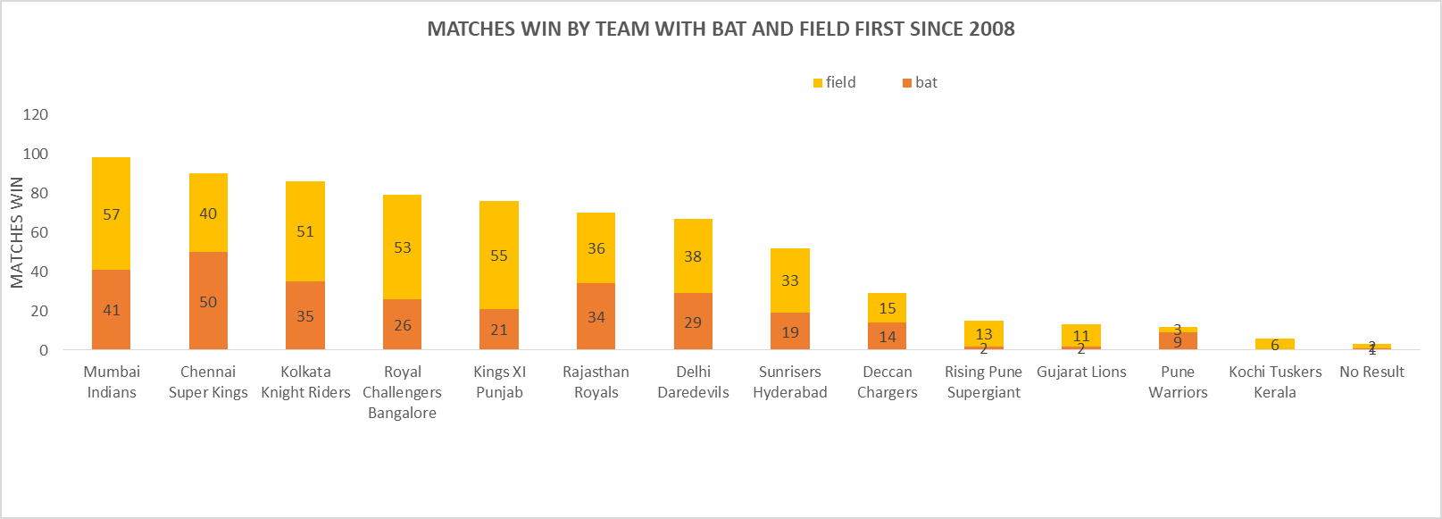
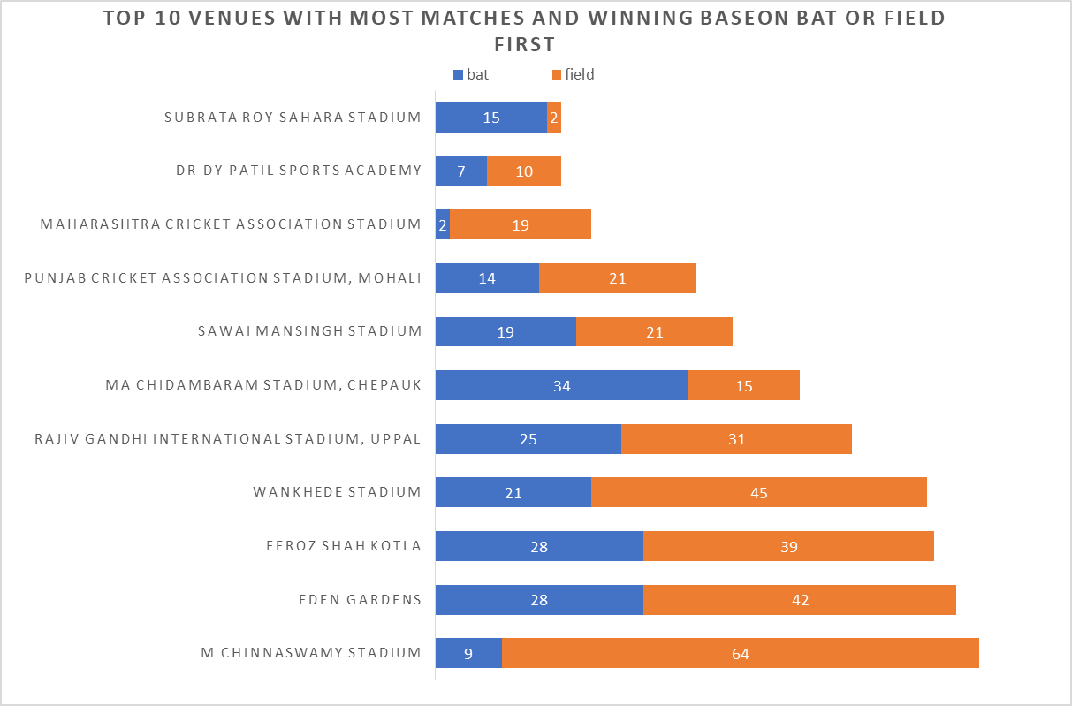
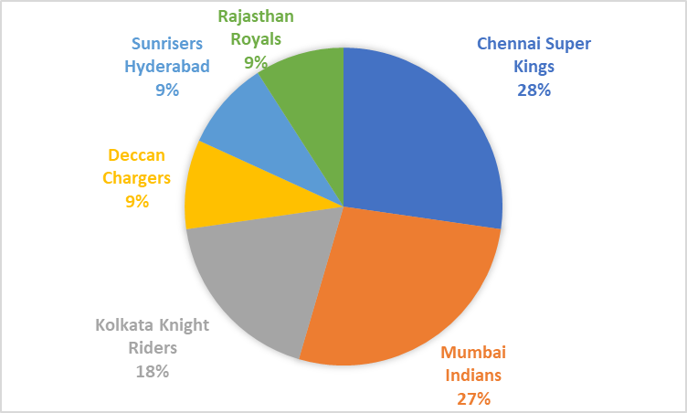
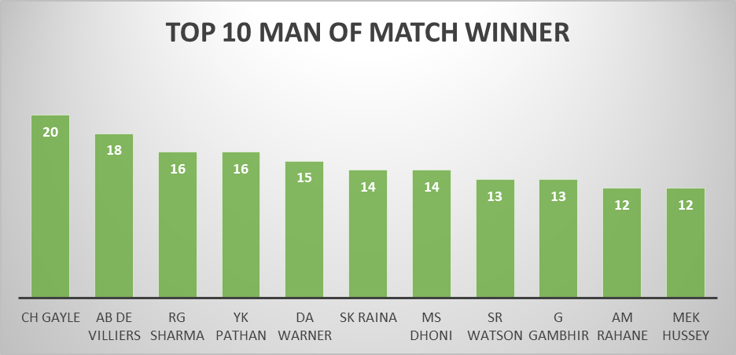
INDIAN PREMIER LEAGUE ANALYSIS
Season
Winner
Chennai Super Kings
Runner Up
Sunrisers Hyderabad
Player of the Series
Sunil Narine
IPL- 2018

TOSS DECISION BASED WINNING
 | Total
bat | 10
field | 50

CUP WINNER
Row Labels | Count of Winner
Chennai Super Kings | 3 | Chennai Super Kings | 3
Mumbai Indians | 3 | Mumbai Indians | 3
Kolkata Knight Riders | 2 | Kolkata Knight Riders | 2
Deccan Chargers | 1 | Deccan Chargers | 1
Sunrisers Hyderabad | 1 | Sunrisers Hyderabad | 1
Rajasthan Royals | 1 | Rajasthan Royals | 1
Grand Total | 11

